Jira Road Map
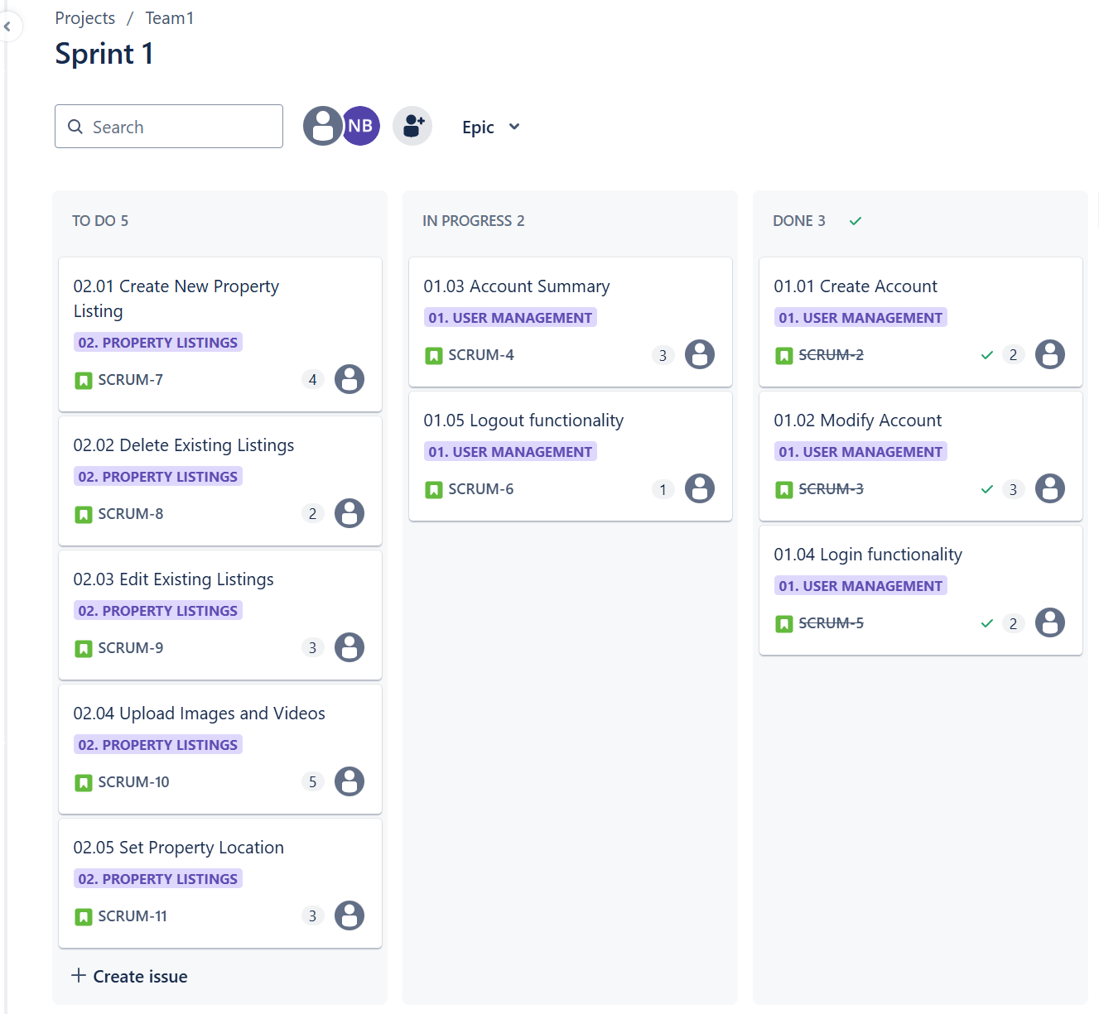
Timeline/Roadmap View: Months

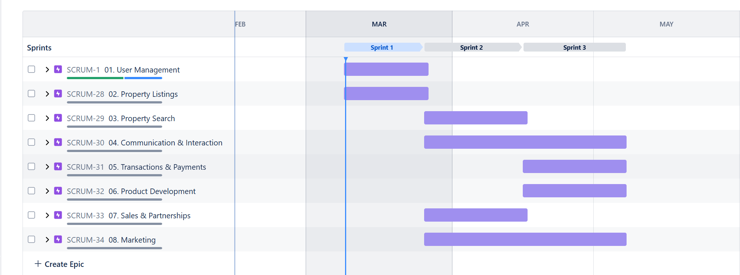

Timeline/Roadmap View: Weeks

Kanban Board

Jira Road Map (Sprint 2)
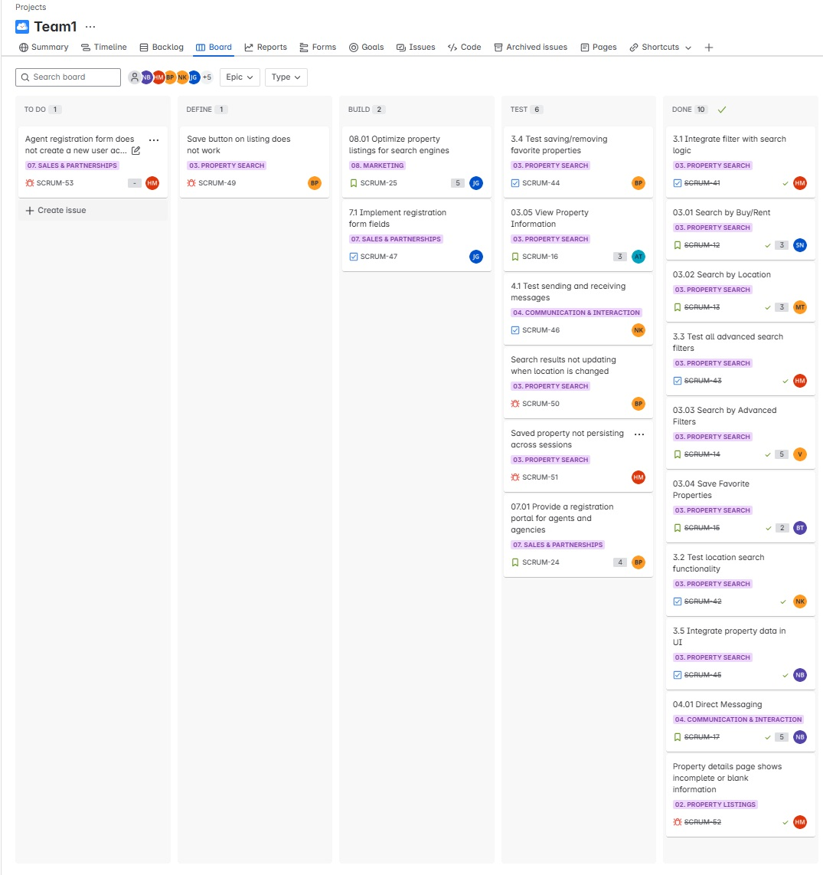
Timeline/Roadmap View: Months
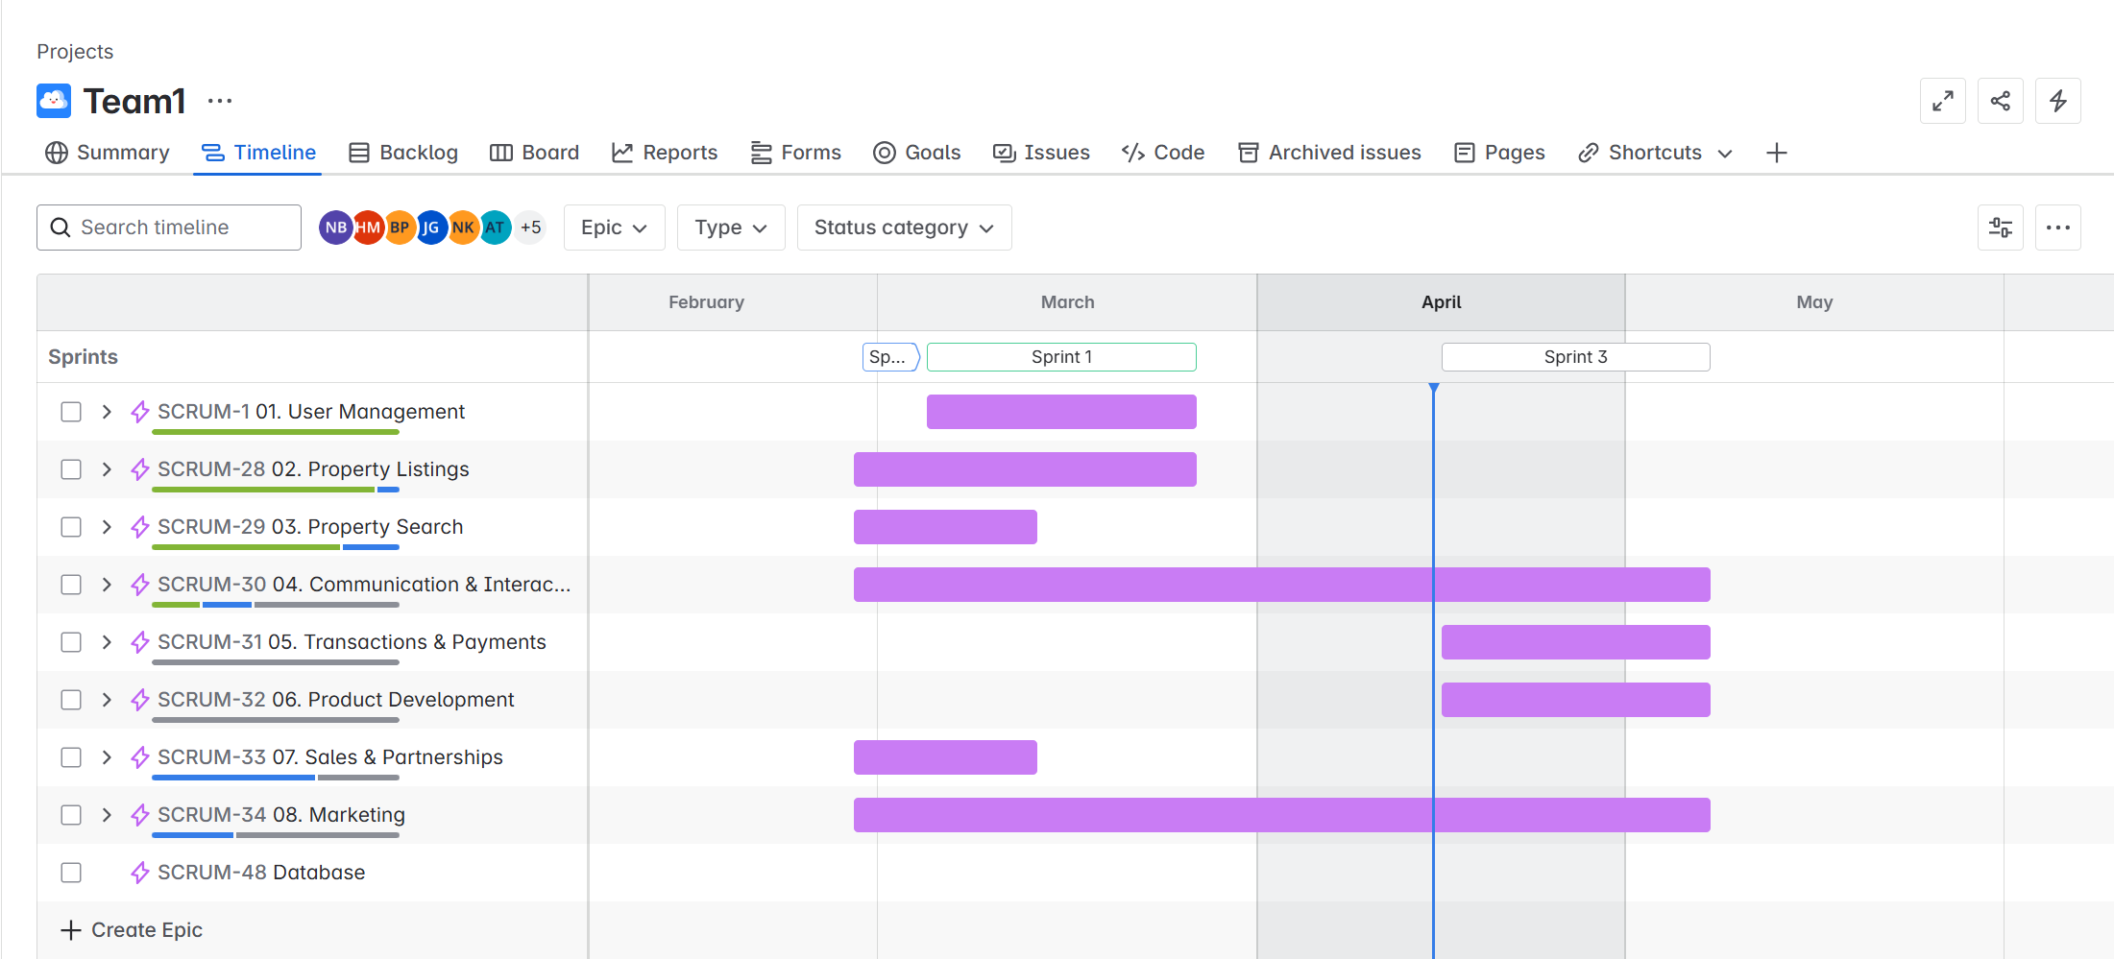

Timeline/Roadmap View: Weeks
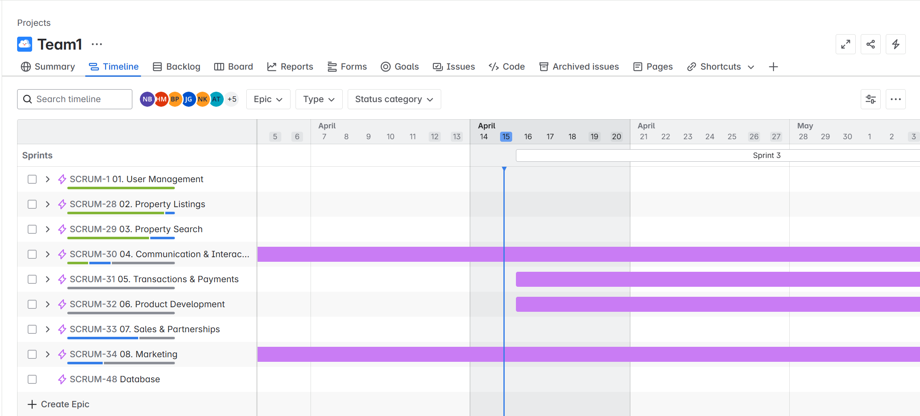

Kanban Board

Jira Road Map (Sprint 3)
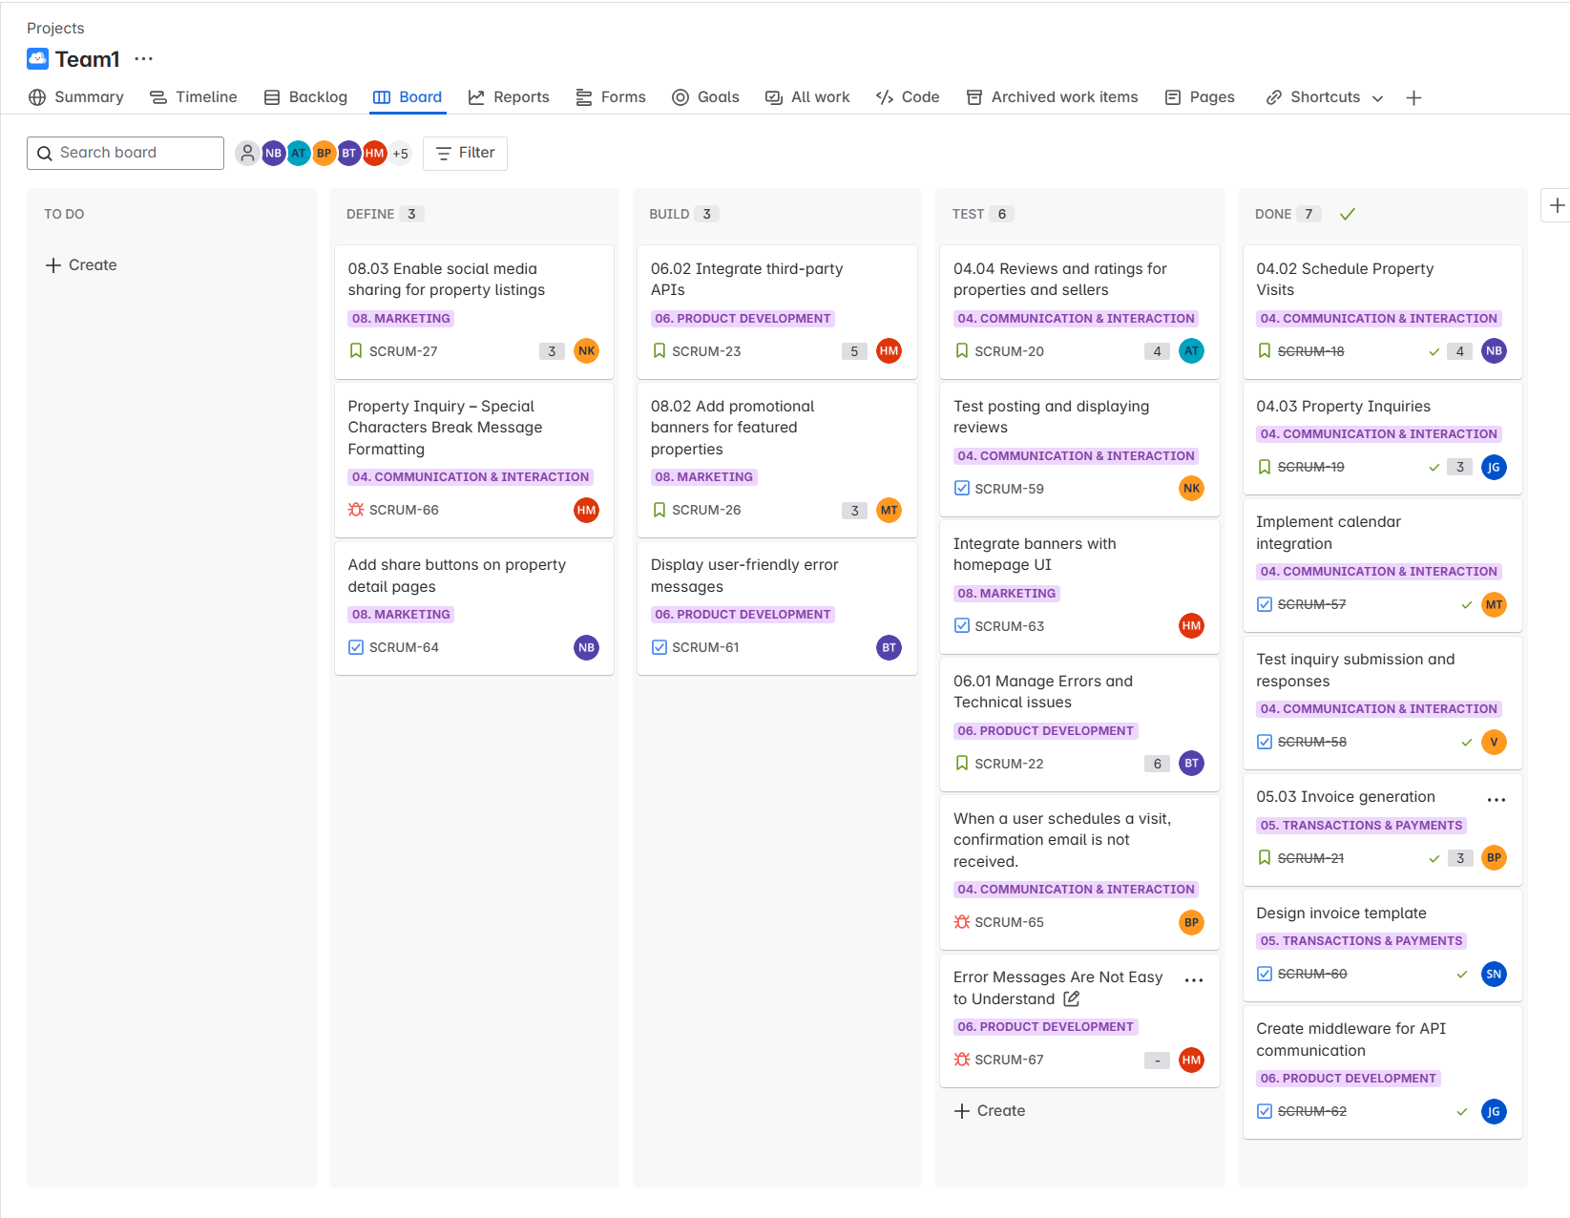
Timeline/Roadmap View: Months
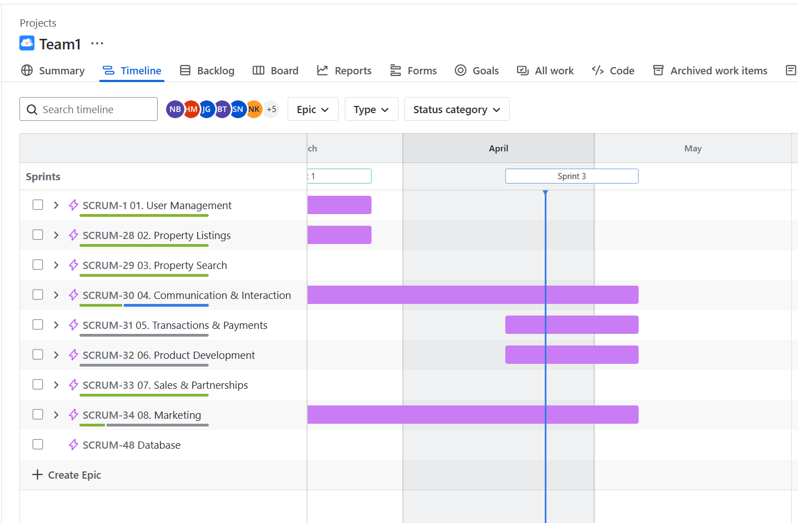

Timeline/Roadmap View: Weeks
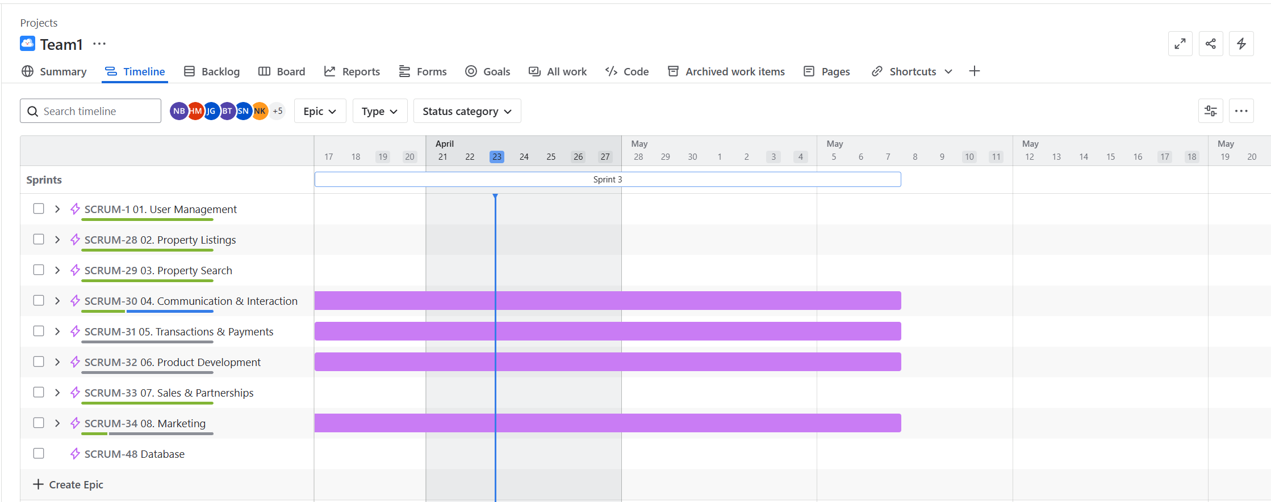

Kanban Board (Updated 05/04/2025)

